Sheet1
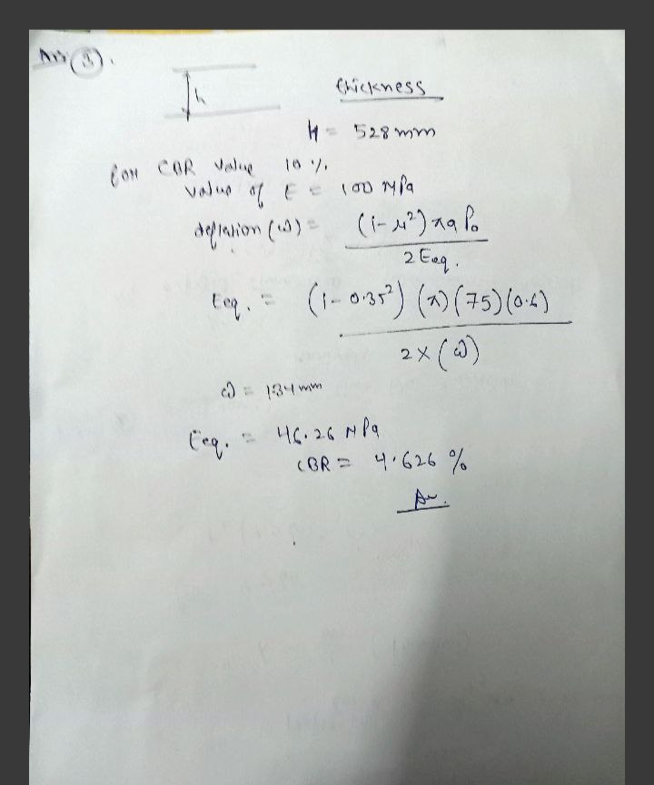
Z R SigmaZ SigmaT SigmaR TaoRZ DispZ epZ epT epR
75.00 0.00 -0.1893E+00 -0.7292E-01 -0.7293E-01 0.0000E+00 0.2635E+00 -0.4566E-04 0.6227E-05 0.6225E-05
150.00 0.00 -0.6751E-01 0.4832E+00 0.4829E+00 0.0000E+00 0.2572E+00 -0.1340E-03 0.1116E-03 0.1114E-03
150.00 0.00 -0.6751E-01 -0.2031E-02 -0.2050E-02 0.0000E+00 0.2572E+00 -0.3304E-03 0.1116E-03 0.1114E-03
150.00 150.00 -0.4574E-01 0.3329E+00 0.2350E+00 -0.1958E-01 0.2371E+00 -0.8075E-04 0.8805E-04 0.4443E-04
150.00 150.00 -0.4574E-01 -0.1016E-02 -0.7479E-02 -0.1958E-01 0.2371E+00 -0.2138E-03 0.8805E-04 0.4443E-04
500.00 0.00 -0.1269E-01 0.1999E-01 0.1996E-01 0.0000E+00 0.1920E+00 -0.1334E-03 0.8723E-04 0.8703E-04
500.00 0.00 -0.1269E-01 0.9458E-03 0.9382E-03 0.0000E+00 0.1920E+00 -0.2302E-03 0.8722E-04 0.8704E-04

 | name : keshav sikhwal
 | 231030028
QUESTION 1

Z | SIGMAZ
75 | -0.189
150 | -0.0675

 |  | Z VS SIGMA Z

 | ( HERE IN EACH GRAPH VALUE OF AXES IS TO BE TAKEN DIFFERNTLY . LIKE WITH MOVING UPWARD VALUE OF Z MAY INCREASE OR DECREASE)
 | SO THAT’S WHY EACH GRAPH LOOKING SAME BUT STILL THEY ARE SHOWING INCREASING OR DECREASING WITH VALUES OF Z

Z | SIGMA T
75 | -0.0729
150 | 0.4832

Z | SIGMA R
75 | -0.0729
150 | 0.483

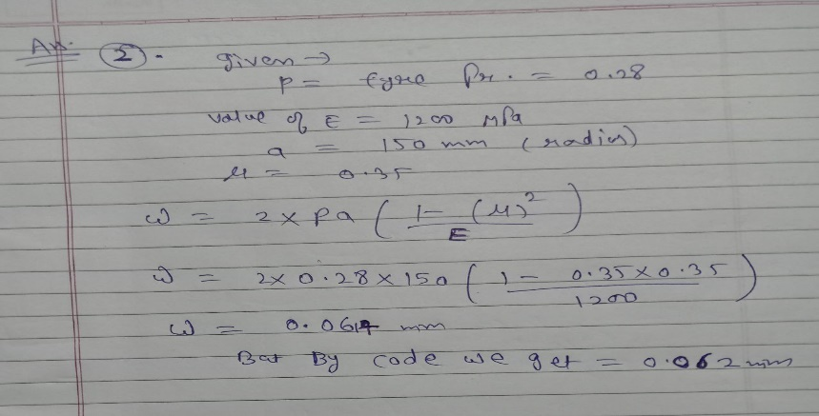

2 ND QUESTION
No. of layers 3
E values (MPa) 1200.00 1200.00 1200.00
Mu values 0.350.350.35
thicknesses (mm) 150.00 350.00
single wheel load (N) 20000.00
tyre pressure (MPa) 0.28
Single Wheel
Z R SigmaZ SigmaT SigmaR TaoRZ DispZ epZ epT epR
0.00 0.00 -0.2791E+00 -0.2373E+00 -0.2373E+00 0.0000E+00 0.6202E-01 -0.9421E-04 -0.4710E-04 -0.4710E-04

3RD QUESTION
No. of layers 2
E values (MPa) 100.00 30.00
Mu values 0.350.35
thicknesses (mm) 528.00
single wheel load (N) 20000.00
tyre pressure (MPa) 0.60
Single Wheel
Z R SigmaZ SigmaT SigmaR TaoRZ DispZ epZ epT epR
0.00 0.00-0.5920E+00-0.5182E+00-0.5182E+00 0.0000E+00 0.1347E+01-0.2293E-02-0.1296E-02-0.1296E-02

